Contents
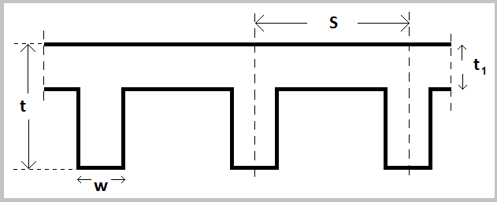
Spreadsheet

Flanges

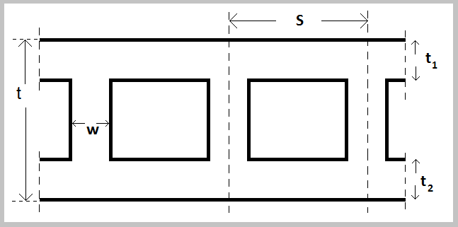

H O profiles

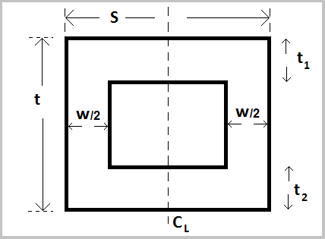

H O profiles

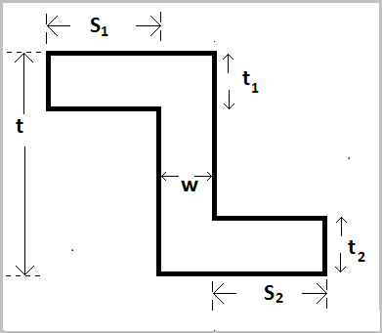

Z - profile

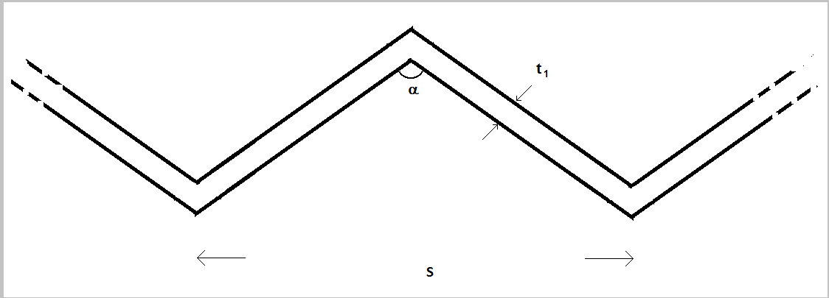

 | W -profile

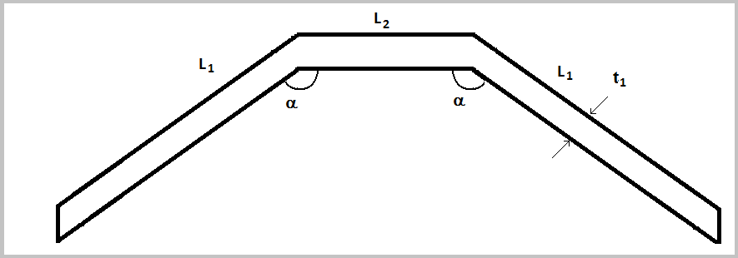

 | n - profile

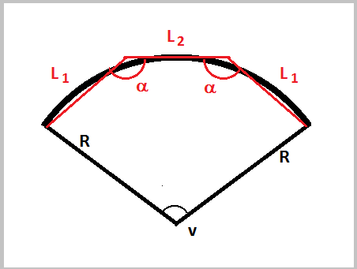

Arcs

 | n - profile

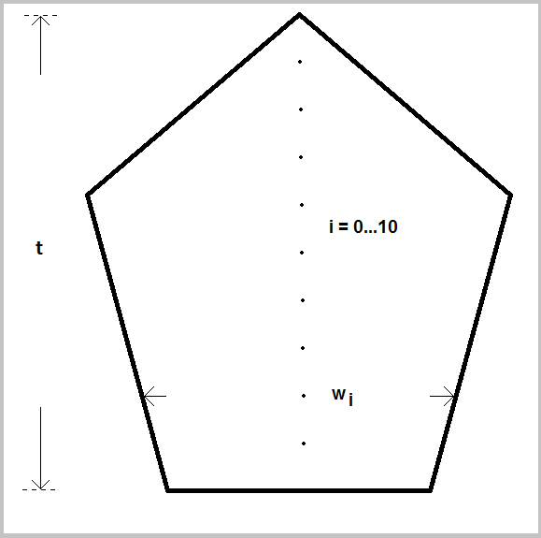

Arbitrary compact

W - profiles
Input |  |  | Output |  |  | For
S | 3000 | mm | tef | 316 | mm | Mainly lateral loading
a | 120 | o | tef | 316 | mm | Mainly vertical loading
t1 | 100 | mm | A | 346410 | mm2
 |  |  | Aef | 948683 | mm2
Slender constructions should allways be arranged with the stiffening walls active. E.g. For S=6000 mm and t₁ = 100 mm the angle α < 154 º
Local buckling shall always be evaluated, e.g. according to EN 1996-1-1 (5.6 - 5.9), 5.5.1.2 (4), etc.
Compact constructions can not allways be arranged with the stiffening walls active. E.g. For S= 450 mm, t₁ = 100 mm and α = 90 º the stiffening wall is not active. This only means the compact construction is acting in unison.
Intermediate calculation |  |  |  |  |  | Stiffening walls - active:
a | 2.094 |  | pi | 3.1415927 |  | b | 0.5236
thorizontal | 200 | mm |  |  |  | tequivalent | 115 | mm
t | 866 | mm |  |  |  | Lequivalent | 693 | mm
Lone flange | 1732 | mm |  |  |  | Istiffening wall | 3199999971 | mm4
A | 346410 | mm2 |  |  |  | Iregarded wall | 144337566 | mm4
Sx | 149999993 | mm3 |  |  |  | IstifF./Iregard. | 22.2
h0 | 433 | mm |  |  |  | 3 or 4 -sided | Yes
Itotal | 21650633354 | mm4 | tef,I | 442 | mm
Z1 | 49999998 | mm3 | tef,Z1 | 316 | mm
Z2 | 49999998 | mm3 | tef,Z2 | 316 | mm

n - profiles (arc)
Input |  |  | Output |  |  | For
L1 | 885 | mm | tef | 230 | mm | Mainly lateral loading
L2 | 1259 | mm | tef | 230 | mm | Mainly vertical loading
a > 90 | 141 | o | S | 2851 | mm
t1 | 108 | mm | A | 327132 | mm2 |  |  |  | Input |  |  | Output
 |  |  | Aef | 654760 | mm2 |  |  |  | R | 1778 | mm | L1 | 885 | mm
Intermediate calculation |  |  |  |  |  |  |  |  | v | 1.675 | rad | L2 | 1259 | mm
a | 2.461 | rad |  | pi | 3.141592658 |  |  |  |  |  |  | α | 141 | o
t1,horizontal | 172 | mm
An circular arc can be represented by the n - profile. See figure.
Input/output above gives a proposal for L₁, L₂ and α based on R and v.
When representing the arc through the n-profile locale buckling and local load capacity can "easily" be found through the formulas given in EN 1996-1-1.
t | 557 | mm |  |  |  | Stiffening walls - active: |  |  | Intermediate calculation
A | 327132 | mm2 |  |  |  | b | 0.8901 |  | v(gr) | 96.0 | gr
Sx | 53233142 | mm3 |  |  |  | tequivalent | 172 | mm | Pi | 3.1415927
h0 | 163 | mm |  |  |  | Lequivalent | 396 | mm | k | 2642 | mm
Itotal | 11235120177 | mm4 | tef,I | 362 | mm | Istiffening wall | 889146492 | mm4 | h | 588 | mm
Z1 | 51840014 | mm3 | tef,Z1 | 330 | mm | Iregarded wall | 132164784 | mm4 | k/h | 4.49
Z2 | 25065986 | mm3 | tef,Z2 | 230 | mm | IstifF./Iregard. | 6.7 |  | x1 | 692 | mm
 |  |  |  |  |  | 3 or 4 -sided | Yes |  | y1 | 551.4 | mm
Slender constructions should allways be arranged with the stiffening walls active. E.g. For L₁ = 1200, L₂ = 800, t₁ = 100 mm and the angle α < 131 º
Local buckling shall always be evaluated, e.g. according to EN 1996-1-1 (5.6 - 5.9), 5.5.1.2 (4), etc.
Compact constructions can not allways be arranged with the stiffening walls active. E.g. For L₁ = 600, L₂ = 300, t₁ = 150 mm and α = 135º the stiffening wall is not active. This only means the compact construction is acting in unison.
 |  |  |  |  |  |  |  |  | α' | 0.67 | rad
 |  |  |  |  |  |  |  |  | α | 2.47 | rad

